Sheet1
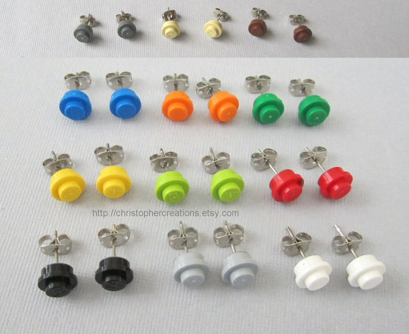
 |  | Price
Item | In Pack | Ebay | £1 Shop | Lego Store
Earring Stud | 100 | £2.99 |  |  | £0.06 | Sell For | £1.00
Butterfly | 100 | £1.99 |  |  | £0.04 | Quantity | 50
Lego Stud | 1000 | £8.00 |  | £8.00 | £0.02 | Sales | £50.00
Glue | 10 | £1.00 | £1.00 |  | £0.01 | Outgoings | £15.97
Packaging | 50 | £1.99 |  |  | £0.04 | Profit | £34.03
 |  | £15.97 |  |  | £0.17

